score
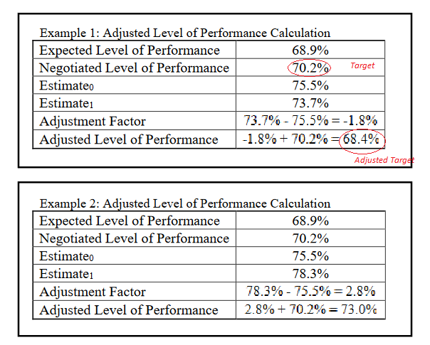

TEGL 11-19 Attachment II

